Variable Importance
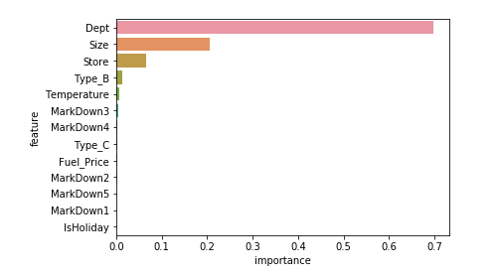
VARIABLE IMPORTANCE PLOT

Residual plot
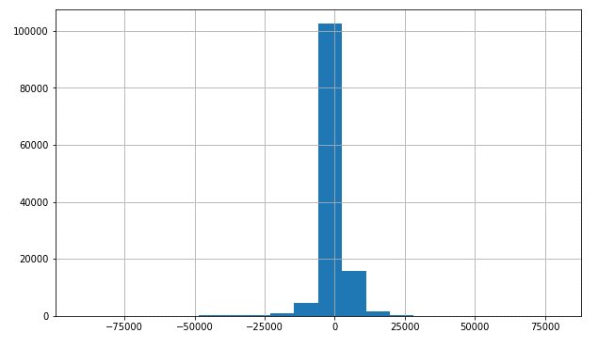
RESIDUALS DISTRIBUTION

Decile Analysis
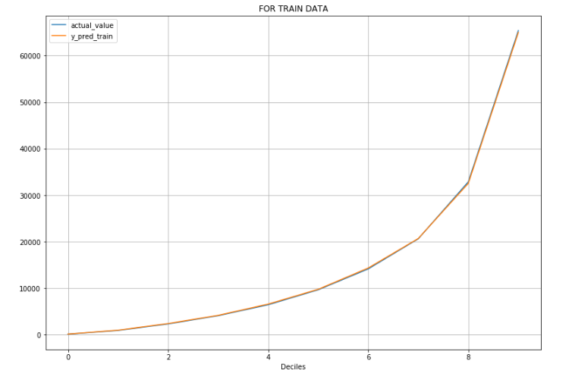
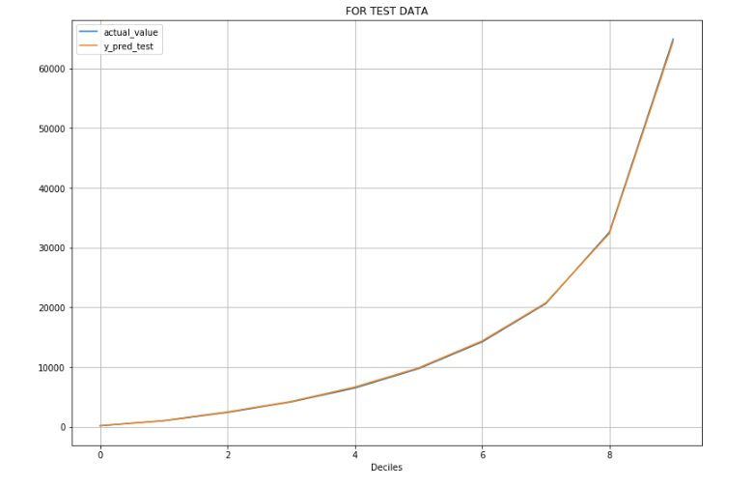
 | FOR TRAIN DATA |  |  | For Test Data

Deciles | actual_value | y_pred_train | Deciles | actual_value | y_pred_test
0 | 135.73787733 | 148.70137091 | 0 | 145.07112429 | 154.70291033
1 | 937.87068011 | 989.40221062 | 1 | 984.46272159 | 1020.5295741
2 | 2333.1358933 | 2418.5796169 | 2 | 2380.2385626 | 2460.3037289
3 | 4109.7066506 | 4182.3804394 | 3 | 4141.4000459 | 4213.4110353
4 | 6452.1289948 | 6598.091393 | 4 | 6468.5473322 | 6631.0843546
5 | 9678.8541588 | 9778.9809199 | 5 | 9701.2709628 | 9840.4480327
6 | 14157.826895 | 14351.53627 | 6 | 14197.094326 | 14354.044728
7 | 20624.410596 | 20693.774784 | 7 | 20613.119122 | 20739.18408
8 | 32875.862692 | 32540.03327 | 8 | 32620.276941 | 32388.254651
9 | 65388.213177 | 64990.402214 | 9 | 64952.530722 | 64541.343984

